category
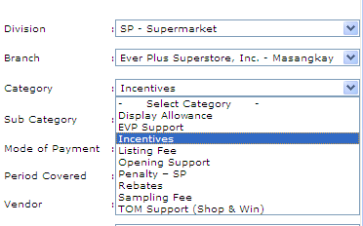
code | description | division
C000000001 | EVP Support | SP
C000000002 | Ads & Promo | SP
C000000003 | Opening Support | SP
C000000004 | TOM Support (Shop & Win) | SP
C000000005 | Display Allowance | SP
C000000006 | Rental | SP
C000000007 | Electric Consumption SP | SP
C000000008 | Rebates | SP
C000000009 | Listing Fee | SP
C000000010 | Sampling Fee | SP
C000000011 | Penalty – SP | SP
C000000013 | Payroll Services | SP
C000000014 | Promo Personnel Salary | SP
C000000015 | R&M – Supplies | SP
C000000016 | Ever Gift Certificates | SP
C000000017 | Vendor Gift Certificates | SP
C000000018 | Sales – SP | SP
C000000020 | Store Supplies | SP
C000000021 | OI – Miscellaneous | SP
C000000022 | Other Deduction | SP
C000000024 | PURCHASE DISCOUNT | SP
C000000040 | Branch Returns Slip/Debit Memo | SP
C000000042 | Purchases | SP
C000000044 | Incentives | SP

